Linear Regression
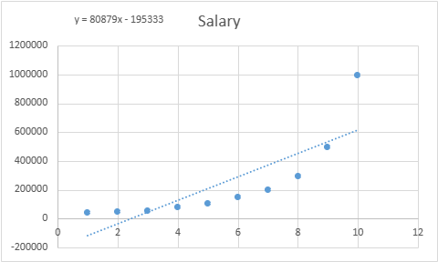
Position | Level | Salary | Linear Regression
Business Analyst | 1 | 45000
Junior Consultant | 2 | 50000
Senior Consultant | 3 | 60000 | SUMMARY OUTPUT
Manager | 4 | 80000
Country Manager | 5 | 110000 | Regression Statistics
Region Manager | 6 | 150000 | Multiple R | 0.817949
Partner | 7 | 200000 | R Square | 0.669041
Senior Partner | 8 | 300000 | Adjusted R Square | 0.627671
C-level | 9 | 500000 | Standard Error | 182674.2
CEO | 10 | 1000000 | Observations | 10

 |  |  | ANOVA
 |  |  |  | df | SS | MS | F | Significance F
 |  |  | Regression | 1 | 540000000000.00 | 540000000000.00 | 16.1722 | 0.003833
 |  |  | Residual | 8 | 267000000000.00 | 33400000000.00
 |  |  | Total | 9 | 807000000000.00

 |  |  |  | Coefficients | Standard Error | t Stat | P-value | Lower 95% | Upper 95% | Lower 95.0% | Upper 95.0%
 |  |  | Intercept | -195333 | 124790.2 | -1.56529 | 0.156146 | -483100 | 92433.4 | -483100 | 92433.4
 |  |  | Level | 80878.79 | 20111.76 | 4.021467 | 0.003833 | 34500.98 | 127256.6 | 34500.98 | 127256.6

 |  |  | RESIDUAL OUTPUT

 |  |  | Observation | Predicted Salary | Residuals
 |  |  | 1 | -114455 | 159454.5
 |  |  | 2 | -33575.8 | 83575.76
 |  |  | 3 | 47303.03 | 12696.97
 |  |  | 4 | 128181.8 | -48181.8
 |  |  | 5 | 209060.6 | -99060.6
 |  |  | 6 | 289939.4 | -139939
 |  |  | 7 | 370818.2 | -170818
 |  |  | 8 | 451697 | -151697
 |  |  | 9 | 532575.8 | -32575.8
 |  |  | 10 | 613454.5 | 386545.5

Polynomial Rgression
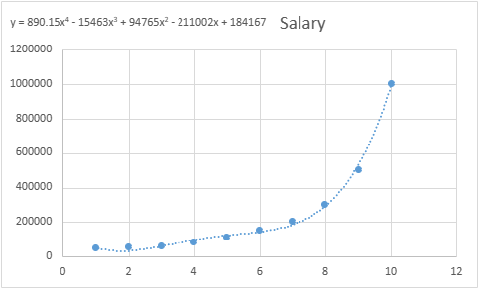
Position | Level | Salary |  |  | Polynomial Regression
Business Analyst | 1 | 45000
Junior Consultant | 2 | 50000
Senior Consultant | 3 | 60000 |  |  | SUMMARY OUTPUT
Manager | 4 | 80000
Country Manager | 5 | 110000 |  |  | Regression Statistics
Region Manager | 6 | 150000 |  |  | Multiple R | 0.998695
Partner | 7 | 200000 |  |  | R Square | 0.997392
Senior Partner | 8 | 300000 |  |  | Adjusted R Square | 0.995306
C-level | 9 | 500000 |  |  | Standard Error | 20510.67
CEO | 10 | 1000000 |  |  | Observations | 10

 |  |  |  |  | ANOVA
 |  |  |  |  |  | df | SS | MS | F | Significance F
x | x^2 | x^3 | x^4 | Salary | Regression | 4 | 8.05E+11 | 2.01E+11 | 478.0976 | 1.21E-06
1 | 1 | 1 | 1 | 45000 | Residual | 5 | 2100000000 | 421000000
2 | 4 | 8 | 16 | 50000 | Total | 9 | 8.07E+11
3 | 9 | 27 | 81 | 60000
4 | 16 | 64 | 256 | 80000 |  | Coefficients | Standard Error | t Stat | P-value | Lower 95% | Upper 95% | Lower 95.0% | Upper 95.0%
5 | 25 | 125 | 625 | 110000 | Intercept | 184166.7 | 67768.04 | 2.717604 | 0.041894 | 9963.382 | 358370 | 9963.382 | 358370
6 | 36 | 216 | 1296 | 150000 | x | -211002 | 76382.17 | -2.76246 | 0.039719 | -407349 | -14655.7 | -407349 | -14655.7
7 | 49 | 343 | 2401 | 200000 | x^2 | 94765.44 | 26454.17 | 3.582249 | 0.015837 | 26762.83 | 162768.1 | 26762.83 | 162768.1
8 | 64 | 512 | 4096 | 300000 | x^3 | -15463.3 | 3534.989 | -4.37435 | 0.007193 | -24550.3 | -6376.31 | -24550.3 | -6376.31
9 | 81 | 729 | 6561 | 500000 | x^4 | 890.1515 | 159.8033 | 5.570297 | 0.002568 | 479.3642 | 1300.939 | 479.3642 | 1300.939
10 | 100 | 1000 | 10000 | 1000000

 |  |  |  |  | RESIDUAL OUTPUT

 |  |  |  |  | Observation | Predicted Salary | Residuals
 |  |  |  |  | 1 | 53356.64 | -8356.64
 |  |  |  |  | 2 | 31759.91 | 18240.09
 |  |  |  |  | 3 | 58642.19 | 1357.809
 |  |  |  |  | 4 | 94632.87 | -14632.9
 |  |  |  |  | 5 | 121724.9 | -11724.9
 |  |  |  |  | 6 | 143275.1 | 6724.942
 |  |  |  |  | 7 | 184003.5 | 15996.5
 |  |  |  |  | 8 | 289994.2 | 10005.83
 |  |  |  |  | 9 | 528694.6 | -28694.6
 |  |  |  |  | 10 | 988916.1 | 11083.92

